DR. MARTENS
FOTO | DESCRIZIONE | CODICE | COLORE | ASSORTIMENTI |  |  |  |  |  |  |  |  |  | QTA'

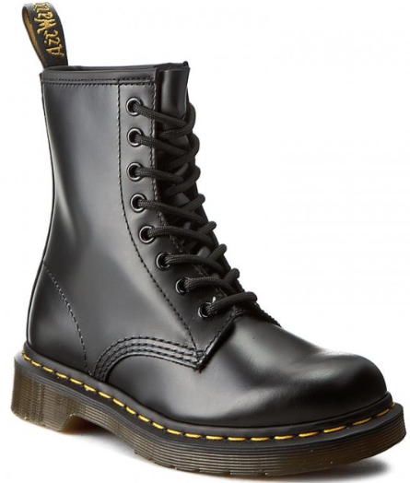
 |  |  |  | uk | 3 | 4 | 5 | 6 | 6.5 | 7 | 8 | 9 | 9.5
 |  |  |  | eu | 36 | 37 | 38 | 39 | 40 | 41 | 42 | 43 | 44
 | 1460 | 10072004 | Black Smooth |  | 13 | 26 | 24 | 28 | 26 | 26 | 13 | 5 | 3 | 164

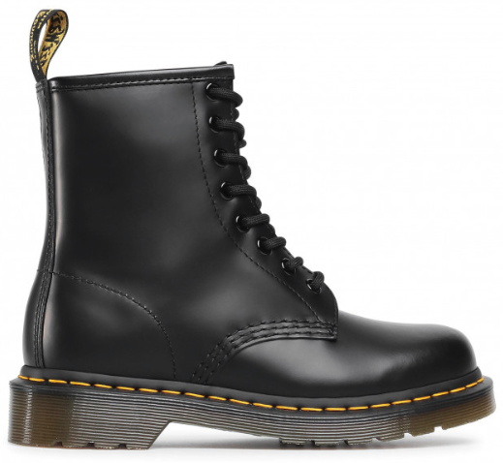
 |  |  |  | uk | 3 | 4 | 5 | 6 | 6.5 | 7 | 8
 |  |  |  | eu | 36 | 37 | 38 | 39 | 40 | 41 | 42
 | 1460 | 11822006 | Black Smooth |  | 3 | 5 | 2 | 2 | 3 | 3 | 1 |  |  | 19

 |  |  |  | uk | 3 | 4 | 5 | 6 | 6.5
 |  |  |  | eu | 36 | 37 | 38 | 39 | 40
 | 1460 | 10072600 | Cherry Red Smooth |  | 3 | 6 | 9 | 7 | 3 |  |  |  |  | 28

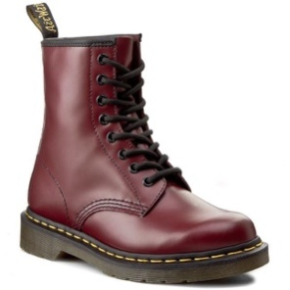
 |  |  |  | uk | 3 | 4 | 5 | 6 | 6.5
 |  |  |  | eu | 36 | 37 | 38 | 39 | 40
 | 1460 | 11822600 | Cherry Red Smooth |  | 2 | 2 | 4 | 2 | 1 |  |  |  |  | 11

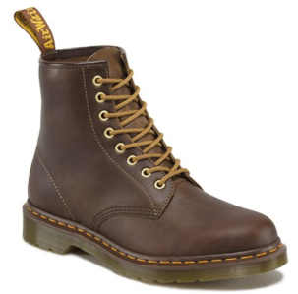
 |  |  |  | uk | 4 | 5 | 6 | 6.5 | 7 | 8 | 9 | 9.5 | 10
 |  |  |  | eu | 37 | 38 | 39 | 40 | 41 | 42 | 43 | 44 | 45
 | 1460 | 11822200 | Aztec Crazy Horse |  | 8 | 8 | 8 | 8 | 8 | 16 | 16 | 16 | 8 | 96

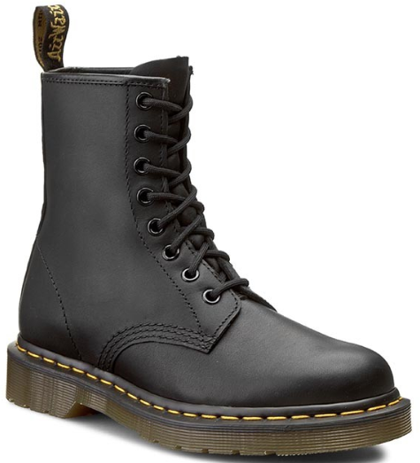
 |  |  |  | uk | 4 | 5 | 6 | 6.5 | 7 | 8 | 9 | 9.5 | 10
 |  |  |  | eu | 37 | 38 | 39 | 40 | 41 | 42 | 43 | 44 | 45
 | 1460 | 11822203 | Black |  | 4 | 4 | 4 | 4 | 4 | 8 | 8 | 8 | 4 | 48

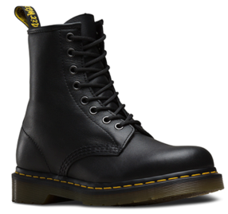
 |  |  |  | uk | 3 | 4 | 5 | 6 | 6.5 | 7 | 8 | 9
 |  |  |  | eu | 36 | 37 | 38 | 39 | 40 | 41 | 42 | 43
 | 1460 | 11822002 | Black Nappa |  | 4 | 8 | 12 | 12 | 8 | 12 | 12 | 4 |  | 72

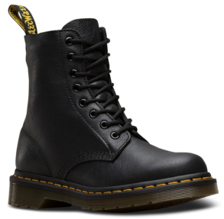
 |  |  |  | uk | 3 | 4 | 5 | 6 | 6.5 | 7
 |  |  |  | eu | 36 | 37 | 38 | 39 | 40 | 41
 | 1460 Pascal | 13512006 | Black Virginia |  | 8 | 16 | 16 | 8 | 8 | 4 |  |  |  | 60

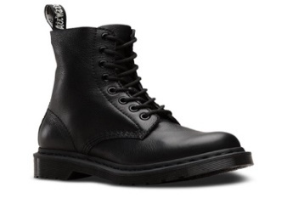
 |  |  |  | uk | 3 | 4 | 5 | 6 | 6.5 | 7
 |  |  |  | eu | 36 | 37 | 38 | 39 | 40 | 41
 | 1460 Pascal Mono | 24479001 | Black Virginia |  | 16 | 32 | 32 | 16 | 16 | 8 |  |  |  | 120

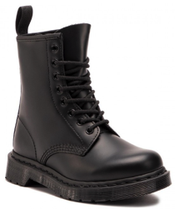
 |  |  |  | uk | 3 | 4 | 5 | 6 | 6.5 | 7 | 8 | 9 | 9.5
 |  |  |  | eu | 36 | 37 | 38 | 39 | 40 | 41 | 42 | 43 | 44
 | 1460 Mono | 14353001 | Black Smooth |  | 2 | 1 | 3 | 2 | 1 | 1 | 2 | 1 | 1 | 14

 |  |  |  |  |  |  |  |  |  |  |  | TOT OFFER |  | 632

